工作表1
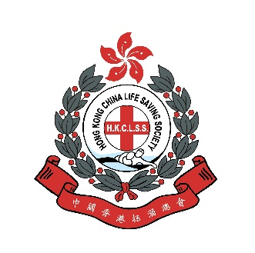 Water Safety Slogan Competition 2026
Enrolment Form
 | Information of School
 | Categories of Participation |  | Secondary School Section / Primary School Section
 | Name of School (Chinese)
 | Name of School (English)
 | Teacher in charge
 | Contact Tel Number of Teacher in charge
 | Email address of Teacher in charge

 | Theme
 | Swimming is good for the health of the elderly. However, for safety’s sake, they should assess their physical condition and warm up before swimming, swim within their limits, and cool down afterwards.
 | Specifications of Entries
1. 2. 3. | The slogan must be related to the theme and written in Chinese in no more than 14 words, punctuation is not included. The slogan must be written on the enrolment form. The slogan should be concise, harmonious, creative, easy to remember and suitable for publication.
 | Deadline
 | 28 April 2026 (Tuesday)
 | Personal Information Collection Statement
1. | The personal data are provided voluntarily by the participants and will be kept as confidential. All information will only be used for participation in the competition and provided to the personnel who process the enrolment for review, communication, and related purposes. Participants have the right to request access to and the correction of their personal data. Such requests should be made in writing and mailed to the following address: Aquatic Venues Unit, 15/F, Leisure and Cultural Services Headquarters, 1-3 Pai Tau Street, Sha Tin, N.T.
2. | The personal data are only used for the Water Safety Slogan Competition organised by the Leisure and Cultural Services Department and the Hong Kong China Life Saving Society.
 | Declaration
 | I have carefully read and fully understood the abovementioned terms and conditions.

 | Name in Chinese | Name in English | Entries
例 | 傅泇臻 | Fu Julio | 海膽刺尖水母毒 踏浪留神免中伏
例 | 鍾欣樺 | Zhong Yan Wa | 深藍世界須警戒 時刻謹慎勿鬆懈

